Sheet1
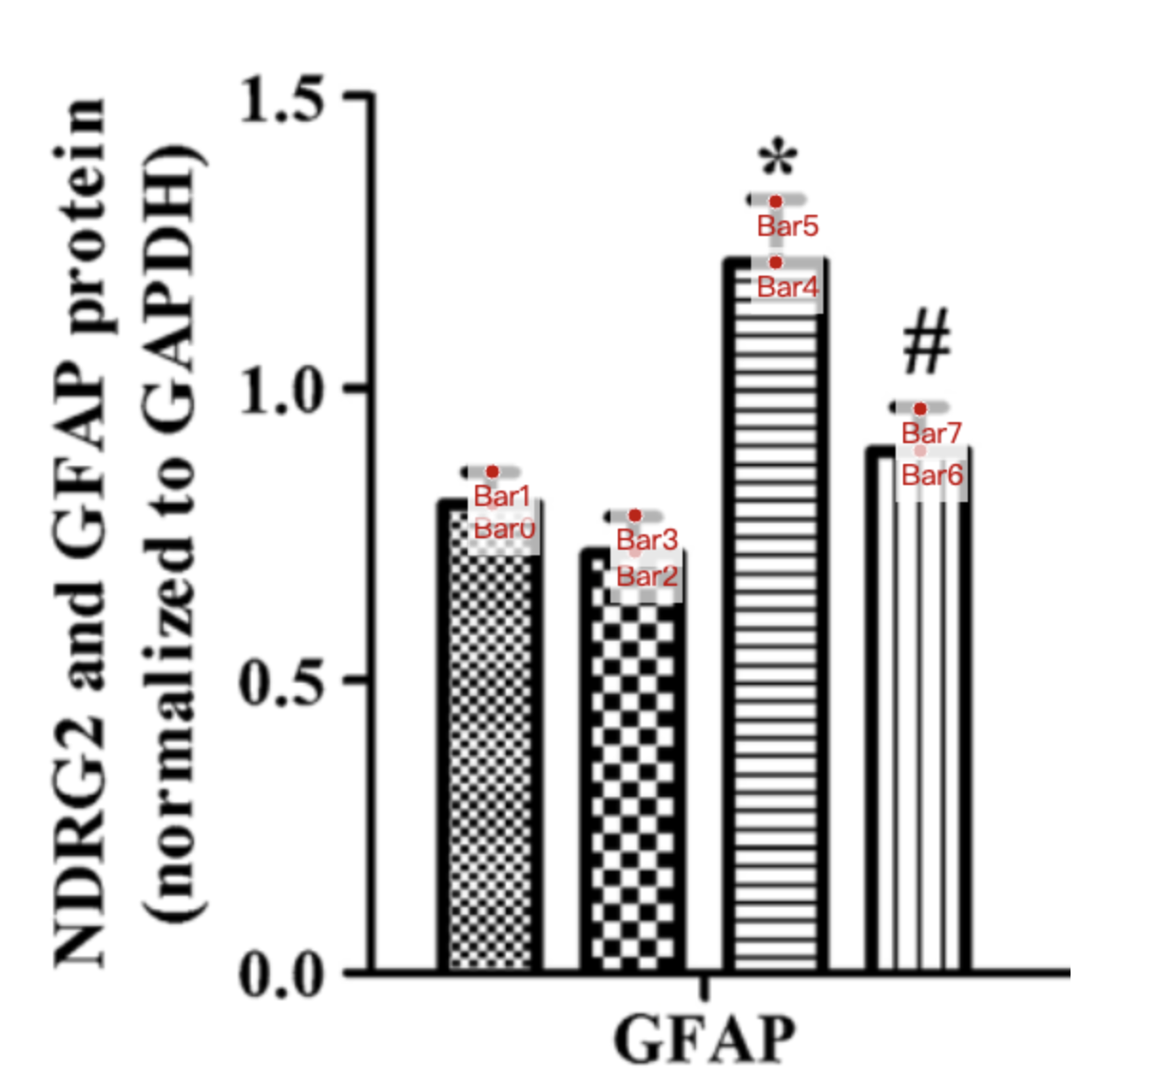
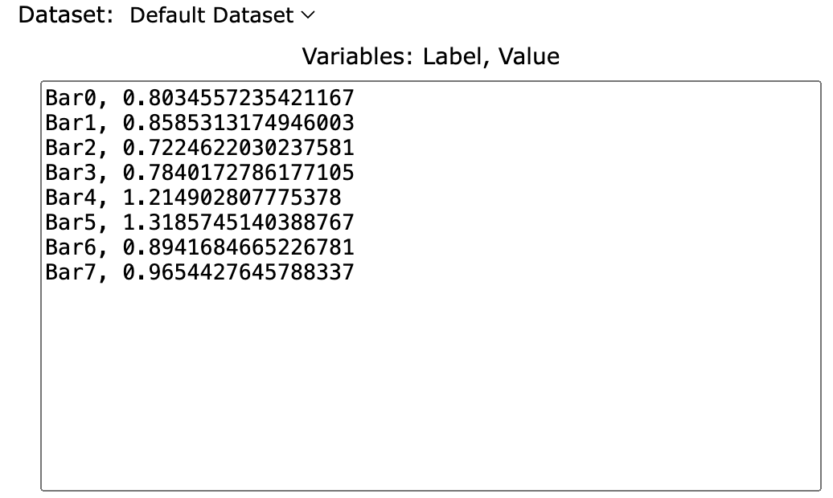
Treatment Groups | Con_GFAP_protein | Con+EA_GFAP_protein | APP_GFAP_protein | APP+EA_GFAP_protein
mean | 0.80345572354 | 0.72246220302 | 1.2149028078 | 0.89416846652
se | 0.05507559395 | 0.06155507559 | 0.1036717063 | 0.07127429806
mean+se | 0.85853131749 | 0.78401727862 | 1.318574514 | 0.96544276458
sd (se * sqrt(12)) | 0.190787454 | 0.2132330368 | 0.3591293251 | 0.246901411

